Sheet1
absolute | cents
 | AFX003 file | intrvl | cents |  | Musician's Guide to Acoustics
 | 12800 | betwe | above |  | Just Diatonic Scale
 | 12596 | 204 |  |  | Thus, given that a major second (9:8) is about 204 cents, a Pythagorean major third or ditone, (9:8)^2, is equal to about 204 x 2 or 408 cents, and a tritone, (9:8)^3, to about 204 x 3 or 612 cents.
 | 12414 | 182 |  |  | Notice that there are three basic intervals, the major tone (204 cents labelled M), the minor tone (182 cents labelled m) and the diatonic semitone (112 cents ...
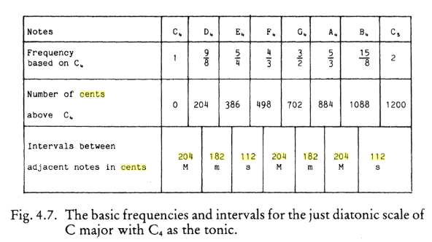
 | 12210 | 204
 | 12098 | 112
 | 11916 | 182
 | 11712 | 204 | 1200 |  |  |  | ratios
 | 11600 | 112 | 1088
 | 11396 | 204 | 884
 | 11214 | 182 | 702
 | 11010 | 204 | 498
 | 10898 | 112 | 386
 | 10716 | 182 | 204
look at intervals from bottom to top | 10512 | 204 | 0 | bot to top matches-->
they match with the intrv betw adj | 10400 | 112
 | 10196 | 204 |  |  |  |  |  | PAGE 173 in the book
 | 10014 | 182
 | 9810 | 204
 | 9698 | 112
 | 9516 | 182
 | 9312 | 204
 | 9200 | 112
 | 8996 | 204
 | 8814 | 182
 | 8610 | 204
 | 8498 | 112
 | 8316 | 182
 | 8112 | 204
 | 8000 | 112
 | 7796 | 204 |  |  |  | https://books.google.com/books?id=iiCZwwFG0x0C&pg=PA173&lpg=PA173&dq=204+182+112+cents+interval&source=bl&ots=j5qJmO0gU2&sig=ACfU3U1NAwoVcd4tMZwrFUqEKk6sv7ZxSA&hl=en&sa=X&ved=2ahUKEwiL6_SUw4DkAhUaK80KHZLZBogQ6AEwAHoECBwQAQ#v=onepage&q=204%20182%20112%20cents%20interval&f=false
 | 7614 | 182
 | 7410 | 204
 | 7298 | 112
 | 7116 | 182
 | 6912 | 204 | 1200
 | 6800 | 112 | 1088
 | 6596 | 204 | 884
 | 6414 | 182 | 702
 | 6210 | 204 | 498
 | 6098 | 112 | 386
 | 5916 | 182 | 204
 | 5712 | 204 | 0
 | 5600 | 112
 | 5396 | 204
 | 5214 | 182
 | 5010 | 204
 | 4898 | 112
 | 4716 | 182
 | 4512 | 204
 | 4400 | 112
 | 4196 | 204
 | 4014 | 182
 | 3810 | 204
 | 3698 | 112
 | 3516 | 182
 | 3312 | 204
 | 3200 | 112
 | 2996 | 204
 | 2814 | 182
 | 2610 | 204
 | 2498 | 112
 | 2316 | 182
 | 2112 | 204
 | 2000 | 112
 | 1796 | 204
 | 1614 | 182
 | 1410 | 204
 | 1298 | 112
 | 1116 | 182
 | 912 | 204
 | 800 | 112
 | 596 | 204
 | 414 | 182
 | 210 | 204
 | 98 | 112
 |  | 98

